HOME
OUTDOOR ACTIVITIES LOGBOOK
Tim Pearce
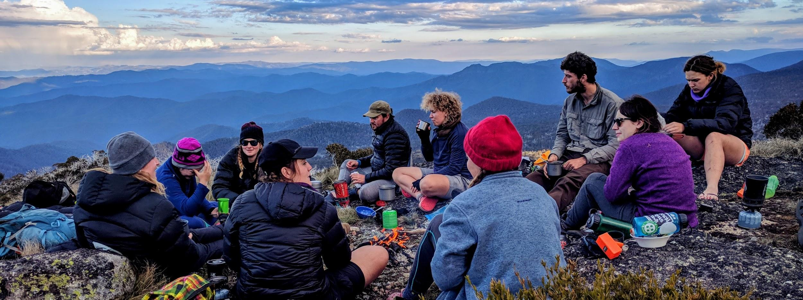
In the tabs below you will find a record of my experience in a number of outdoor education recreation activities. These logged experiences vary from personal participation; part of my own education and training including work placement as assistant leader; group leading; to teaching/training outdoor leaders; and finally any professional development both formal and informal. |  |  |  |  |  |  |  |  |  |  |  |  |  |  | Entries can be double entered or even triple entered
Summary of Activity Sheets (auto-filled) |  |  |  |  |  |  |  |  |  |  |  |  |  |  | For Examle
DAYS | Bushwalk Exped | Alpine XC Ski | Mountain/ Polar | Abseil | Canyon | Cave | Climb | Ropes | Canoe Flatwater | Canoe WhiteWater | Sea Kayak | MTB | Aquatics | ABL | A canyon that has a substantial bushwalk to reacjh it (say 2km)
Total Days | 0 | 2 | 0 | 1 | 0 | 0 | 1 | 0 | 1 | 0 | 0 | 1 | 0 | 0 | and has , say 4 major abseils of 30m each can be logged as such.
Personal | 0 | 0 | 0 | 0 | 0 | 0 | 1 | 0 | 0 | 0 | 0 | 1 | 0 | na | Bushwalking Section
Edu/training | 0 | 2 | 0 | 1 | 0 | 0 | 0 | 0 | 1 | 0 | 0 | 0 | 0 | 0 | Log a bushwalk of 2 km
Leading | 0 | 0 | 0 | 0 | 0 | 0 | 0 | 0 | 0 | 0 | 0 | 0 | 0 | 0 | Abseiling Section
Teaching | 0 | 0 | 0 | 0 | 0 | 0 | 0 | 0 | 0 | 0 | 0 | 0 | 0 | 0 | Log 4 abseils of 30m each
 |  |  |  |  |  |  |  |  |  |  |  |  |  |  | Canyon Section
 |  |  |  |  |  |  |  |  |  |  |  |  |  |  | Log the Canyon itself

